SHAVING REV-00
RULE | Lead and Profile Graph Check /Judgemnet Rule (Process - Shaving ) |  |  | ISD-QA-030 | DATE :27.02.14 Issue 01 Rev. 00
Tooth Profile at Shaving Process Judgement Standard 2W
Note :- First check pattern if found OK then verify value of Lead & Profile parameters against the specification given in Process Sheet.

Decision rule at Shaving Process on the actual pattern of lead /profile.

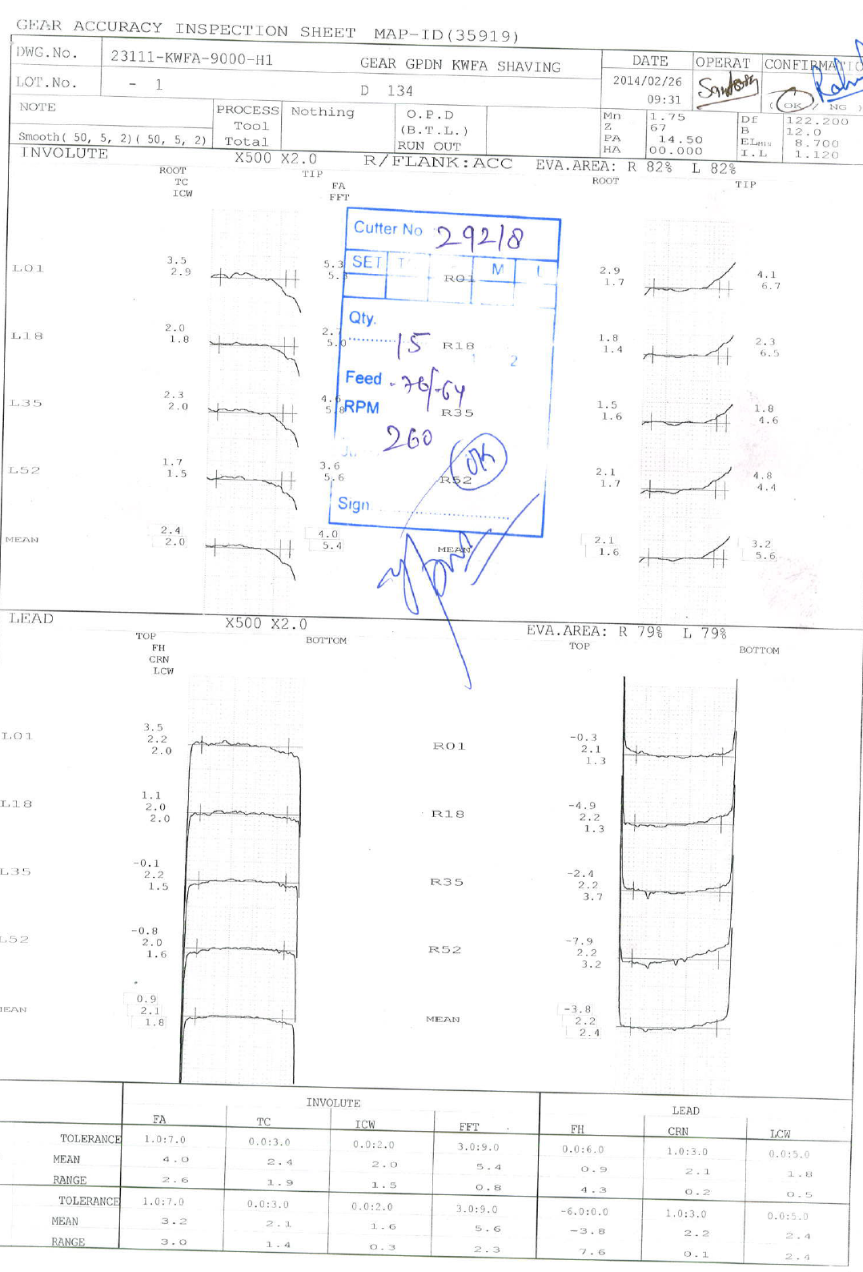
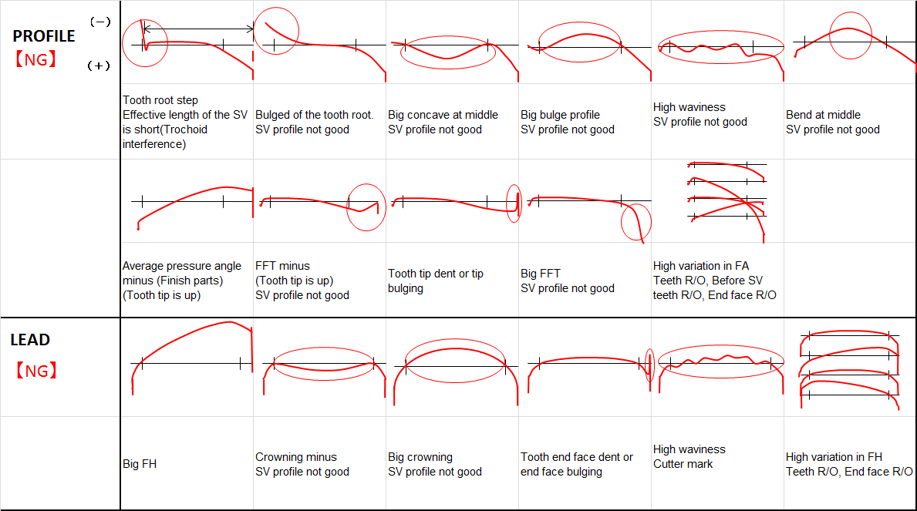
Part number.
Part name & stage.
01*
02*

M/C No.

NA

INVOLUTE/PROFILE.

ROOT
TIP
ROOT
TIP
SETTING /TC F M L

OBSOLUTE

03*

LEAD.
TOP
BOTTOM
TOP
BOTTOM

04*

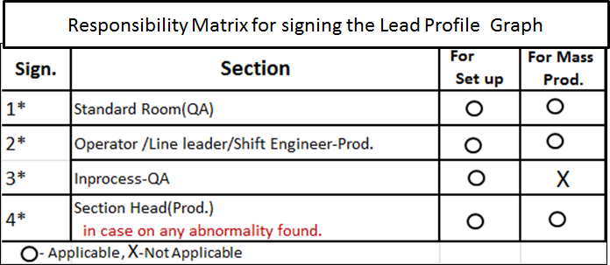
Teeth Profile Evalation<SV process >
Lead & profile will have to evaluate based on actual pattern as per graph check rule and value according to process sheet .
Decision to be taken as per the responsibility matrix .

INVOLUTE / PROFILE PARAMETER
LEAD PARAMETER

LEFT FLANK
MEAN VALUE

RIGHT FLANK

○ = Within SV Specs △ = SV Specs over 1μm × = SV Specs over 1μm above
 |  |  |  | 0 | 27.02.2014 | New Releases
 |  |  |  | Rev.No. | Date | Description

Prepared By : Gurmukh Singh |  | Checked By : Narender San/DKD San | Approved By : Matsui San / Sandeep Kalia San

SHAVING REV-01
RULE | Lead and Profile Graph Check /Judgemnet Rule (Process - Shaving ) |  |  | ISD-QA-030 | DATE : 03.06.2014 Issue 01 Rev. 01
Tooth Profile at Shaving Process Judgement Standard 2W
Note :- First check pattern & Bias if found OK then verify value of Lead & Profile parameters against the specification given in process sheet .
Profile bias is 13µ and Lead bias 18µ Max.

Decision rule at Shaving Process on the actual pattern of lead /profile.

Part number.
Part name & stage.
01*
02*

M/C No.

NA

INVOLUTE/PROFILE.

ROOT
TIP
ROOT
TIP
SETTING /TC F M L

03*

LEAD.
TOP
BOTTOM
TOP
BOTTOM

04*

Teeth Profile Evalation<SV process >
Lead & profile will have to evaluate based on actual pattern as per graph check rule and value according to process sheet .
Decision to be taken as per the responsibility matrix .

INVOLUTE / PROFILE PARAMETER
LEAD PARAMETER

LEFT FLANK
MEAN VALUE

RIGHT FLANK

 |  |  |  | 0 | 27.02.2014 | New Releases
 |  |  |  | Rev.No. | Date | Description

Prepared By : Gurmukh Singh |  | Checked By : Narender San/DKD San | Approved By : Matsui San / Sandeep Kalia San

